Decile Analysis
 |  | TRAINING SET |  |  |  |  | VALIDATION SET
 | decile | count | avg_total_spent | avg_predicted_spent |  | decile | count | avg_total_spent | avg_predicted_spent
1 | 10 | 344 | 814.63485901 | 790.58566831 | 1 | 10 | 150 | 801.88831667 | 787.12013321
2 | 9 | 344 | 679.5456468 | 664.09948888 | 2 | 9 | 150 | 666.01589667 | 663.64374484
3 | 8 | 344 | 569.85381395 | 592.27183328 | 3 | 8 | 150 | 572.19571333 | 589.3332313
4 | 7 | 344 | 517.45928779 | 538.13656391 | 4 | 7 | 150 | 499.77428 | 535.63940828
5 | 6 | 344 | 476.74698692 | 489.07650934 | 5 | 6 | 150 | 465.80778667 | 485.22151356
6 | 5 | 343 | 424.00748542 | 441.2670059 | 6 | 5 | 150 | 413.94940667 | 438.89986853
7 | 4 | 344 | 383.03537355 | 394.35357956 | 7 | 4 | 150 | 376.63341667 | 397.35675434
8 | 3 | 345 | 357.66147826 | 354.65495133 | 8 | 3 | 150 | 353.56141333 | 350.98799947
9 | 2 | 343 | 318.71051895 | 311.9042799 | 9 | 2 | 150 | 325.96684 | 301.59546682
10 | 1 | 344 | 279.39768605 | 244.74238364 | 10 | 1 | 150 | 272.78810667 | 235.17011892

TRAINING
TEST

Model Diagnostic plots
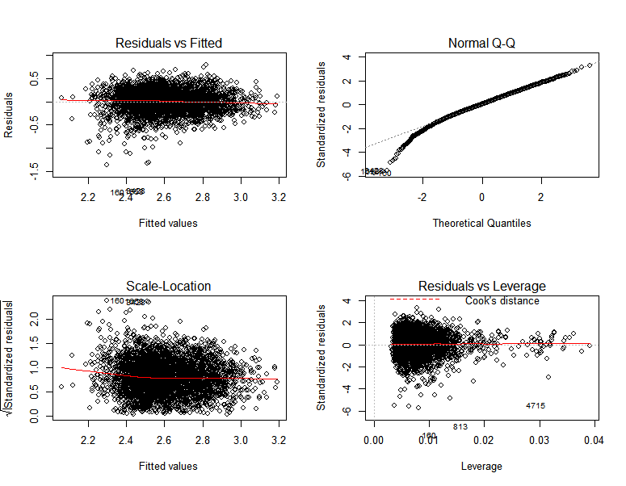

Assumptions
Checking Assumptions made in Linear regression
1) Errors term should be normally distributed
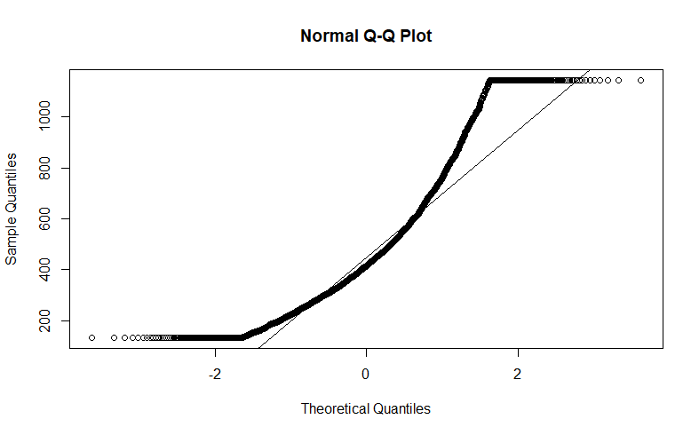
 |  | Errors are not normally distributed as seen in the quantile-quantile plot ,they don't
 |  | fall on a straight line

2) Non constant variance of error terms i.e heteroscedastic data
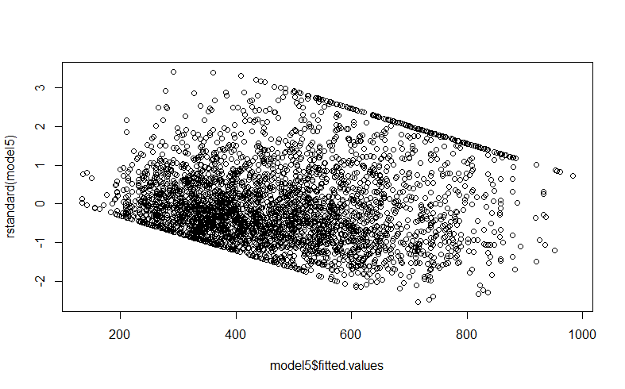

 |  |  | Although residual plot doesn't follow
 |  |  | a funnel like shape but it surely has some other pattern.

3) MULTICOLLINEARITY
 | Variable GVIF Df GVIF^(1/(2*Df))
 | lninc 1.055019 1 1.027141
 | gender 1.020661 1 1.010278
 | reason 1.025582 4 1.003162
 | card 1.787105 4 1.075273
 | card2 1.724081 4 1.070458
4) HIGH LEVERAGE POINTS
 | They were removed using leverage statistic

